California Pinwheel Order Form
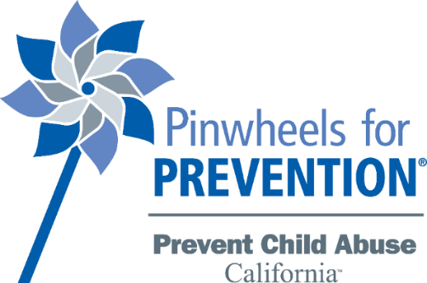
Pinwheels for Prevention ORDER FORM

 | Let’s paint California blue this April!
ABOUT: The Child Abuse Prevention Center, the lead agency for Prevent Child Abuse California, offers Pinwheels for Prevention® at a discounted rate for statewide partners. Annually, agencies across the nation take part in Child Abuse Prevention (CAP) Month activities by planting pinwheel gardens, collaborating with local schools, creating fundraising opportunities, and more. In 2008, the blue pinwheel became the national symbol for child abuse prevention efforts, and it serves as a reminder that all children deserve great childhoods. The Pinwheels for Prevention® campaign offers a unique opportunity for communities to unite for child abuse prevention.

HOW TO ORDER:
Complete your information below and to the right, enter how many pinwheels you need by the case and the rest will autopopulate.
Contact Name: |  | By The Case 240 pinwheels: | $240.00
Contact Phone: |  | Enter number of cases: | 0 | $-
Contact Email: |  | Shipping/Handling: | $37.50 | $-
Agency Name: |  | Sales Tax: | $- | $-
Shipping Address: |  | Total amount due: | $-
City, State Zip:
Invoice? Y/N |  | Individual pinwheels: | $1.00
Loading Dock? Y/N |  | Enter number of pinwheels: | 0 | $-
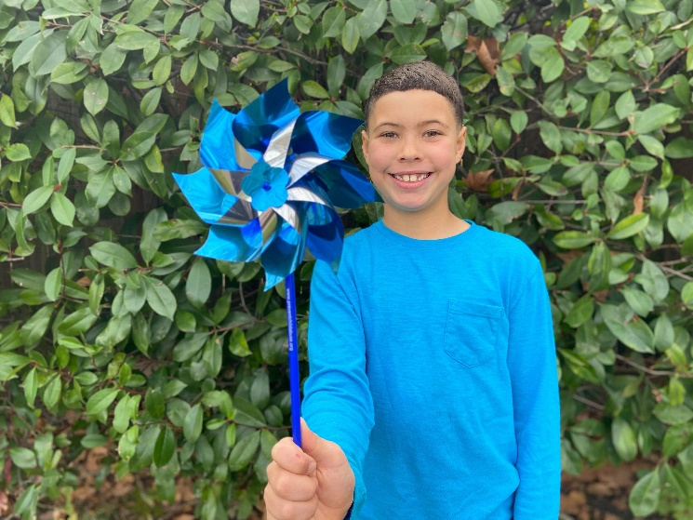
 |  | Est. Shipping/Handling: | $0.35 | $-
 |  | Sales Tax: | $- | $-
 |  | Total amount due: | $0.00
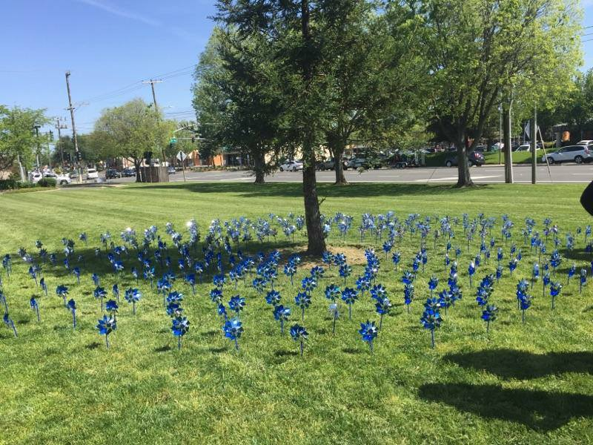

SUBMIT ORDER:
Complete the order form electronically, save it and submit it by email at kbarton@thecapcenter.org. All orders are taken while supplies last. You will be notified if your order can be fulfilled within 24 business hours of your order submission. Do not pay until your order is confirmed. Payment is accepted by check mailed to the address below, or online with a credit card at www.thecapcenter.org/donate. Submit your order form or questions to: Kelly Barton, kbarton@thecapcenter.org Make checks payable to PCACA and mail to: The CAP Center 4700 Roseville Road, Suite 201 North Highlands, CA 95660

